Rent Schedule
Prince William County Affordable Housing Fund Application
APPENDIX A - Development Description Form
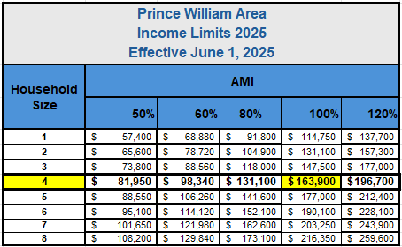
Rent Schedule - Affordable Units
% AMI | # of Bedrooms | # of Baths | Rentable Sq. Ft./Unit | Unit Count | Max Gross Rent/Unit | Proposed Utility Allowance/ Unit | Proposed Net Rent/Unit | Total Net Revenue

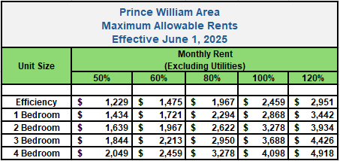

Total Net Revenue

 |  |  | Rent Schedule - Market Rate Units
 | # of Bedrooms | # of Baths | Rentable Sq. Ft./Unit | Unit Count | Max Gross Rent/Unit |  |  | Total Net Revenue

Total Net Revenue

Ownership Unit Mix
Prince William County Affordable Housing Fund Application
APPENDIX A - Development Description Form
For-Sale Unit Mix
Floorplan | Number of Bed/Baths | Floorplan Sq. Ft. | Number of Units | Income Restriction (%AMI) | Sales Price
Floorplan 1
Floorplan 2
Floorplan 3
Floorplan 4
Floorplan 5
Floorplan 6
Floorplan 7
Floorplan 8
Floorplan 9
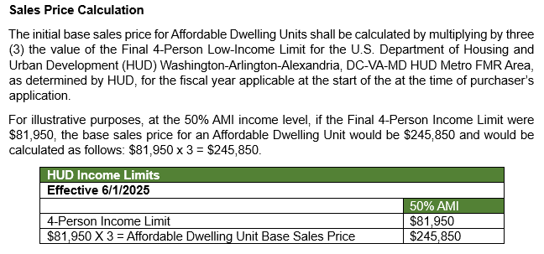
Floorplan 10
Floorplan 11
Floorplan 12
Floorplan 13
Floorplan 14
Floorplan 15

